Key Metrics Overview
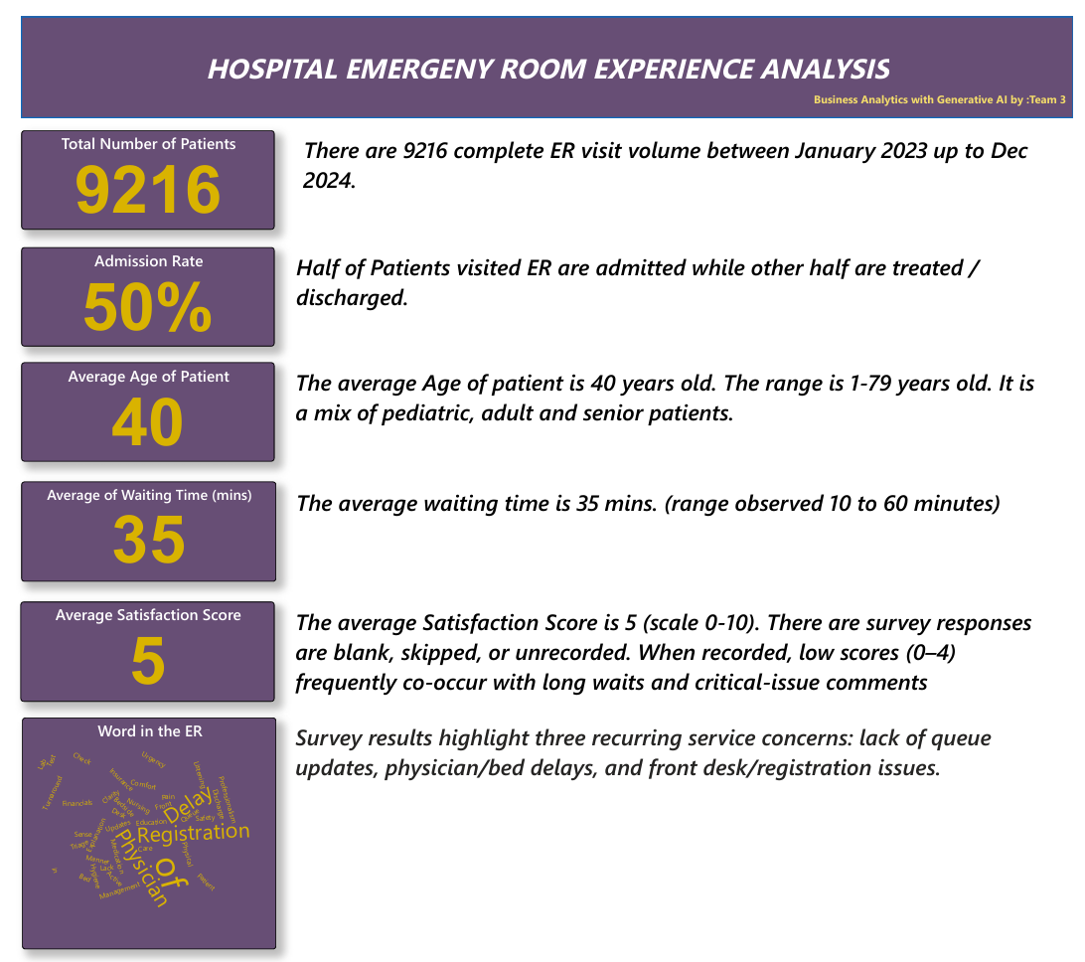

Departmental and Group Bottlene
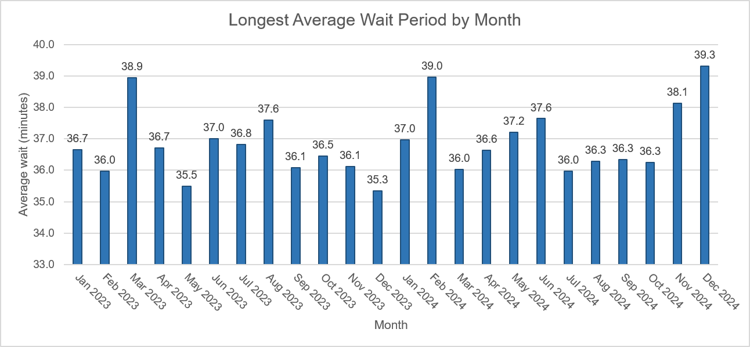
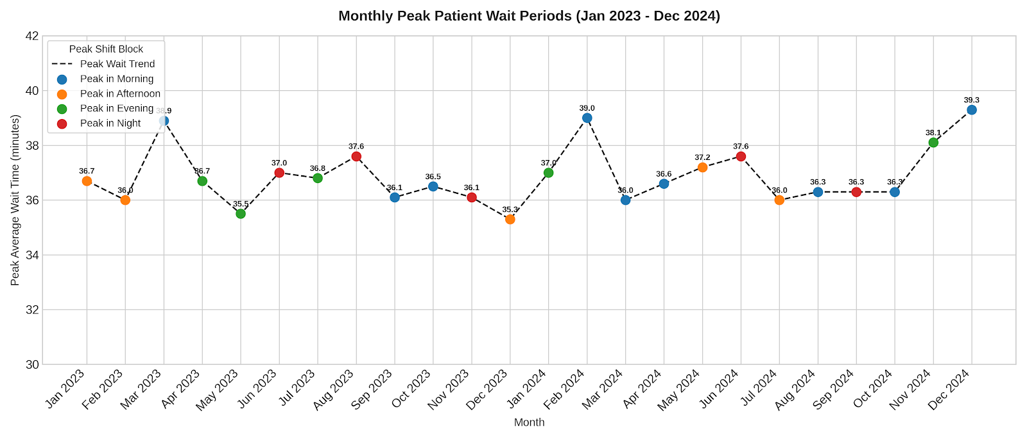
Average Wait Time Per Department

Average Wait Time Per Age Group

*Insight: there is a minimal gap between wait time per age group (35 minutes)
Neurology has the longest average wait: 36.80 min, followed by Physiotherapy: 36.57 min.
Renal is lowest at 34.70 min; the department spread is only 2.11 min.
Patients with no referral average 35.29 min, almost identical to the overall 35.26 min.
Age groups are virtually equal: 35.07–35.35 min, a spread of just 0.27 min (16 seconds).
Prioritize reviewing Neurology and Physiotherapy workflows, but add patient counts and 90th-percentile waits before declaring true bottlenecks—averages can hide peak delays.

Patient Count vs. Department
BOTTLENECK VALIDATION METRICS
Department | Patient Count | 90th-Percentile Wait (min)
Cardiology | 248.00 | 56.00
Gastroenterology | 178.00 | 55.30
General Practice | 1840.00 | 56.00
Neurology | 193.00 | 56.80 | *High P90 with low volume suggests an intermittent workflow issue
None | 5400.00 | 55.00
Orthopedics | 995.00 | 56.00
Physiotherapy | 276.00 | 56.00
Renal | 86.00 | 53.00

HOW TO READ THIS VIEW
Patient Count shows workload volume; the 90th percentile shows the wait experienced by patients near the slow end of the queue. Departments that are high on both measures are the strongest bottleneck candidates. High P90 with low volume suggests an intermittent workflow issue rather than a system-wide capacity constraint.

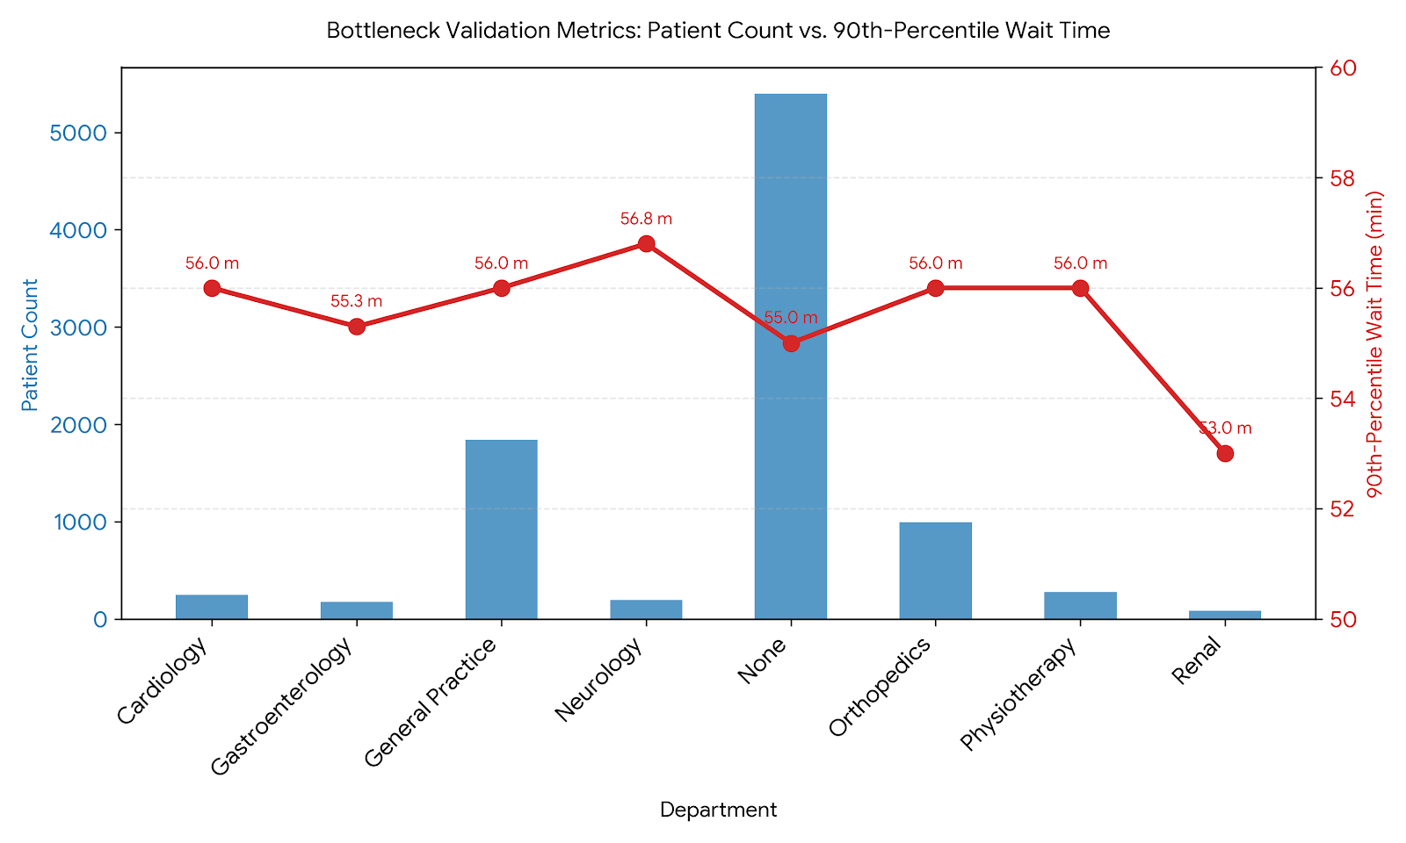

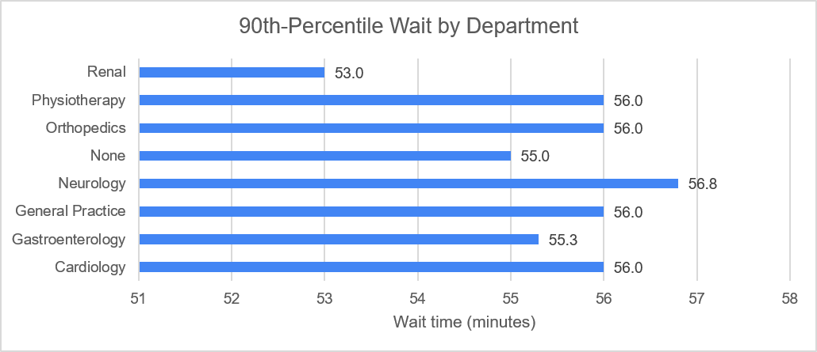

Monthly Peak Patient Wait Periods
Peak period = arrival time block with the highest average wait in each calendar month
Each month is compared across four arrival time blocks. The peak period is the block with the highest average wait. All 9,216 visits are included, and the formulas update when the source data changes.

Month | Night | Morning | Afternoon | Evening | Peak Period | Peak Avg Wait (min) | Visits
2023-01-01 | 32.80 | 35.60 | 36.70 | 35.20 | Afternoon | 36.70 | 154 | Min Average Wait time | 35.3
2023-02-01 | 30.20 | 35.30 | 36.00 | 33.90 | Afternoon | 36.00 | 129 | Max Average Wait Time | 39.3
2023-03-01 | 38.40 | 38.90 | 34.40 | 34.90 | Morning | 38.90 | 146
2023-04-01 | 35.10 | 35.40 | 32.20 | 36.70 | Evening | 36.70 | 418
2023-05-01 | 35.40 | 34.00 | 32.80 | 35.50 | Evening | 35.50 | 428
2023-06-01 | 37.00 | 35.90 | 32.90 | 35.30 | Night | 37.00 | 408
2023-07-01 | 36.00 | 33.80 | 35.00 | 36.80 | Evening | 36.80 | 428
2023-08-01 | 37.60 | 37.50 | 34.20 | 37.30 | Night | 37.60 | 442
2023-09-01 | 34.70 | 36.10 | 36.00 | 32.40 | Morning | 36.10 | 439
2023-10-01 | 31.20 | 36.50 | 33.70 | 36.00 | Morning | 36.50 | 441
2023-11-01 | 36.10 | 35.00 | 34.90 | 35.20 | Night | 36.10 | 422
2023-12-01 | 34.20 | 32.40 | 35.30 | 34.00 | Afternoon | 35.30 | 483
2024-01-01 | 36.30 | 35.10 | 36.80 | 37.00 | Evening | 37.00 | 506
2024-02-01 | 35.60 | 39.00 | 36.30 | 34.30 | Morning | 39.00 | 434
2024-03-01 | 34.90 | 36.00 | 35.60 | 35.70 | Morning | 36.00 | 452
2024-04-01 | 36.10 | 36.60 | 34.00 | 35.60 | Morning | 36.60 | 442
2024-05-01 | 33.00 | 36.90 | 37.20 | 34.20 | Afternoon | 37.20 | 472
2024-06-01 | 37.60 | 35.50 | 33.60 | 35.20 | Night | 37.60 | 423
2024-07-01 | 35.00 | 35.20 | 36.00 | 35.70 | Afternoon | 36.00 | 451
2024-08-01 | 34.80 | 36.30 | 33.30 | 34.60 | Morning | 36.30 | 496
2024-09-01 | 36.30 | 34.10 | 31.70 | 34.70 | Night | 36.30 | 428
2024-10-01 | 35.70 | 36.30 | 33.20 | 34.70 | Morning | 36.30 | 450
2024-11-01 | 37.20 | 33.00 | 36.90 | 38.10 | Evening | 38.10 | 160
2024-12-01 | 36.30 | 39.30 | 36.80 | 35.20 | Morning | 39.30 | 164

Impact of Wait Time on Satisfac
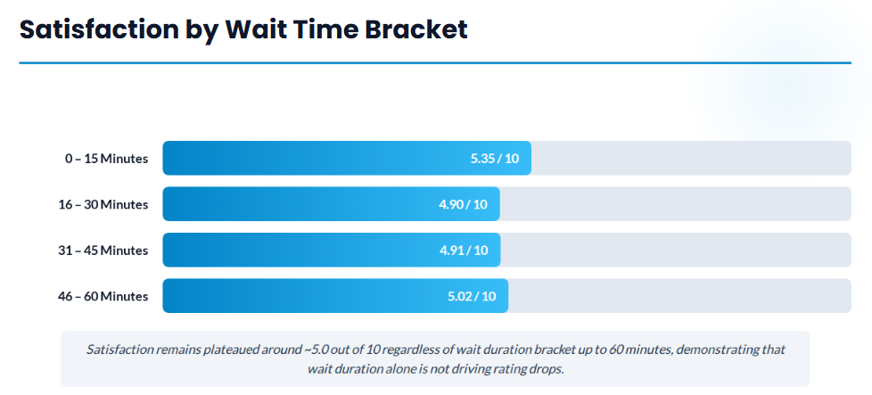
Metric | Overall Dataset Value
Total Patient Records | 9,216
Rated Patient Sample Size (n) | 2,517 (27.3% response rate)
Average Wait Time | 35.35 minutes (Range: 10–60 min)
Average Satisfaction Score | 4.99 / 10 (sigma = 3.14)
Pearson Correlation (r) | -0.0212 (p = 0.288, Not Statistically Significant)
Linear Model (R^2) | 0.0004 (Slope = -0.0045 pts/min)

Satisfaction Across Wait Time Brackets | Sample | Satisfaction Score
0–15 Minutes | 322 | 5.35
16–30 Minutes | 687 | 4.9
31–45 Minutes | 768 | 4.91
46–60 Minutes | 740 | 5.02

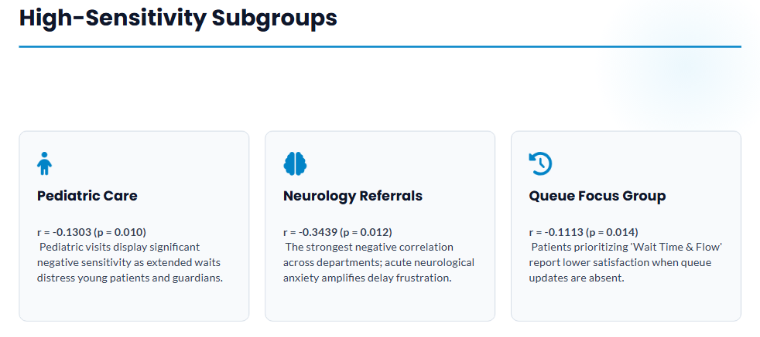

Targeted Subgroup Sensitivity | Value | Sample | Ave Waiting Time | Satisfaction Score | Sensivity Observed
Children / Pediatric | r = -0.1303 p = 0.0100 | 1985 | 35.30 | 5.09 | Pediatric visits show a clear decline in satisfaction as wait time increases.
Neurology Referrals | r = -0.3439 p = 0.0117 | 280 | 36.80 | 5.28 | Strongest negative sensitivity across departments.
Patients Prioritizing 'Wait Time & Flow' | r = -0.1113 p = 0.0137 | 2461 | 35.55 | 5.02 | Patients who explicitly list queue updates and wait times as their primary concern score noticeably lower when delayed.

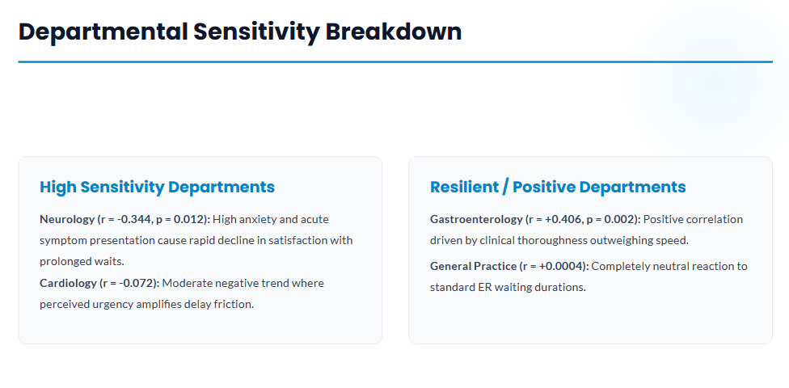
Departmental Sensitivity Breakdown | Value | Sample | Ave Waiting Time | Satisfaction Score | Sensivity Observed
High Sensitive
Neurology | r = -0.344, p = 0.012 | 280 | 36.80 | 5.28 | High anxiety and acute symptom presentation cause rapid decline in satisfaction with prolonged waits.
Cardiology | r = -0.072 | 365 | 35.35 | 5.14 | Moderate negative trend where perceived urgency amplifies delay friction.
Resilient
Gastroenterology | r = +0.406, p = 0.002 | 313 | 35.83 | 5.80 | Positive correlation driven by clinical thoroughness outweighing speed.
General Practice | r = +0.0004 | 2546 | 34.91 | 5.06 | Completely neutral reaction to standard ER waiting durations.

Department Referral | Sample (n) | Avg Wait (min) | Avg Satisfaction | Pearson r | p-value | Statistically Significant? | Primary Finding
Gastroenterology | 54 | 33.43 | 5.80 / 10 | 0.4061 | 0.0023 | Yes ($p < 0.05$) | Positive relationship; higher thoroughness once treated outweighs wait delays.
Neurology | 53 | 37.02 | 5.28 / 10 | -0.3439 | 0.0117 | Yes ($p < 0.05$) | Moderate negative sensitivity; delay directly degrades patient satisfaction.
Orthopedics | 290 | 34.62 | 4.86 / 10 | -0.0637 | 0.2798 | No | Weak negative correlation; lowest overall satisfaction score despite normal wait times.
Cardiology | 71 | 33.25 | 5.14 / 10 | -0.072 | 0.5509 | No | Weak negative correlation; delay is not the primary driver of ratings.
Renal | 23 | 37.43 | 4.57 / 10 | -0.0551 | 0.8029 | No | Slight negative trend; lowest overall average score.
Physiotherapy | 83 | 37.04 | 4.99 / 10 | -0.0067 | 0.9519 | No | Zero correlation; completely resilient to wait duration.
General Practice | 503 | 34.84 | 5.06 / 10 | 0.0004 | 0.9934 | No | Zero correlation; satisfaction is independent of wait times within the 10–60 min range.
Unassigned / Walk-in | 1,440 | 35.66 | 4.95 / 10 | -0.0159 | 0.5476 | No | Zero correlation across general walk-in visits.

Patient Age Group | Sample (n) | Avg Wait (min) | Avg Satisfaction | Pearson r | p-value | Statistically Significant? | Primary Finding
Children | 390 | 35.05 | 5.09 / 10 | -0.1303 | 0.01 | Yes ($p < 0.05$) | Statistically significant negative sensitivity; pediatric patients/parents drop scores as waits lengthen.
Teenagers | 202 | 37.53 | 4.71 / 10 | -0.0544 | 0.4421 | No | Slight negative trend; lowest average satisfaction score of any age group.
Adults | 1,282 | 35.29 | 5.12 / 10 | -0.0028 | 0.92 | No | Zero correlation; adults show high tolerance to standard wait times.
Elderly | 643 | 34.97 | 4.77 / 10 | 0.019 | 0.6306 | No | Zero correlation; low scores are driven by comfort/communication rather than delay.

Primary Critical Driver | Sample (n) | Avg Wait (min) | Avg Satisfaction | Pearson r | p-value | Statistically Significant? | Primary Finding
Wait Time & Flow | 490 | 35.55 | 5.02 / 10 | -0.1113 | 0.0137 | Yes ($p < 0.05$) | Statistically significant negative sensitivity; patients expecting smooth queue flow penalize delay.
Billing & Administration | 514 | 34.92 | 4.90 / 10 | -0.0749 | 0.0898 | No | Weak negative correlation; non-significant trend.
Clinical Care & Comfort | 488 | 35.43 | 5.17 / 10 | 0.0285 | 0.5303 | No | Zero correlation; rating depends on clinical outcomes and physical comfort.
Provider Communication | 526 | 36.4 | 4.90 / 10 | 0.0283 | 0.5173 | No | Zero correlation; rating depends on bedside explanation quality.
Staff Attitude & Empathy | 499 | 34.4 | 4.97 / 10 | 0.0187 | 0.6763 | No | Zero correlation; rating depends on staff demeanor.

Peak Periods and Low Ratings
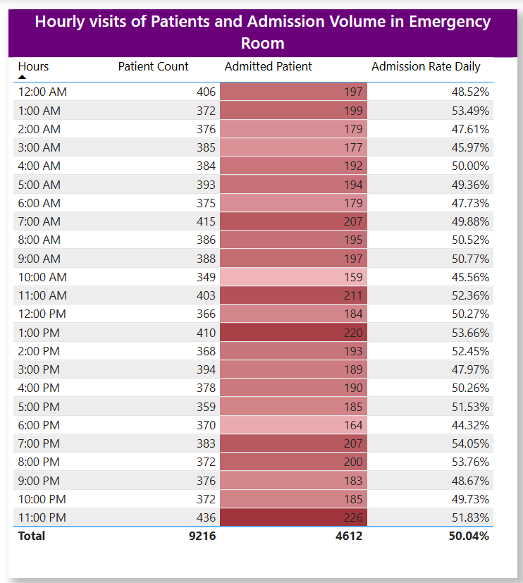
 |  |  |  |  |  | Satisfaction Rating Analysis

 |  |  |  |  |  | 1. Overall Score Metrics
 |  |  |  |  |  | Rating Tier | Score Range | Patient Count | Percentage | Operational Impact
 |  |  |  |  |  | Bottom Box (Low) | 0.0 – 3.0 | 900 | 35.80% | Primary driver of negative patient sentiment and complaints
 |  |  |  |  |  | Mid Box (Neutral) | 4.0 – 7.0 | 956 | 38.00% | At-risk group eligible for service recovery initiatives
 |  |  |  |  |  | Top Box (High) | 8.0 – 10.0 | 661 | 26.30% | Satisfied/Promoter segment

 |  |  |  |  |  | 2. Wait Time & Department Bottleneck Analysis
 |  |  |  |  |  | Department Referral | Total Patients | Avg Wait Time | Avg Satisfaction | Low Rating % (Score ≤ 3)
 |  |  |  |  |  | Orthopedics | 995 | 34.98 min | 4.86 / 10 | 40.00% | Orthopedics Bottleneck: Generates the highest rate of low ratings , despite average wait times matching the general ER average, indicating care delivery or pain management issues rather than pure queue delays.
 |  |  |  |  |  | Neurology | 193 | 36.80 min | 5.28 / 10 | 35.80%
 |  |  |  |  |  | General Practice | 1,840 | 34.91 min | 5.06 / 10 | 34.80%
 |  |  |  |  |  | Physiotherapy | 276 | 36.57 min | 4.99 / 10 | 31.30%
 |  |  |  |  |  | Cardiology | 248 | 35.35 min | 5.14 / 10 | 31.00%
 |  |  |  |  |  | Renal | 86 | 34.70 min | 4.57 / 10 | 30.40%
 |  |  |  |  |  | Gastroenterology | 178 | 35.83 min | 5.80 / 10 | 24.10%
 |  |  |  |  |  | Unassigned / Walk-in | 5,400 | 35.29 min | 4.95 / 10 | 36.30%

 |  |  |  |  |  | 3. Segmented Trends
 |  |  |  |  |  | Patient Age Groups | Total Patients | Avg Wait Time | Avg Satisfaction | Low Rating % (Score ≤ 3)
 |  |  |  |  |  | Teenagers | 202 | 35.20 | 4.71/10 | 39.60% | Teenagers and elderly patients experience significantly higher dissatisfaction rates than adults
 |  |  |  |  |  | Elderly | 643 | 35.07 | 4.77/10 | 39.50%
 |  |  |  |  |  | Children | 390 | 35.30 | 5.09/10 | 35.45
 |  |  |  |  |  | Adults | 1282 | 35.35 | 5.12/10 | 33.40%

 |  |  |  |  |  | Patient Disposition (Admitted vs. Discharged) | Total Patients | Avg Wait Time | Avg Satisfaction | Low Rating % (Score ≤ 3)
 |  |  |  |  |  | Discharged Patients (False Admission) | 1282 | 35.55 | 4.91/10 | 36.30% | Non-admitted patients report lower satisfaction, likely due to perception of non-actionable discharge or lack of post-visit clarity
 |  |  |  |  |  | Admitted Patients (True Admission) | 1235 | 34.97 | 5.08/10 | 35.20%
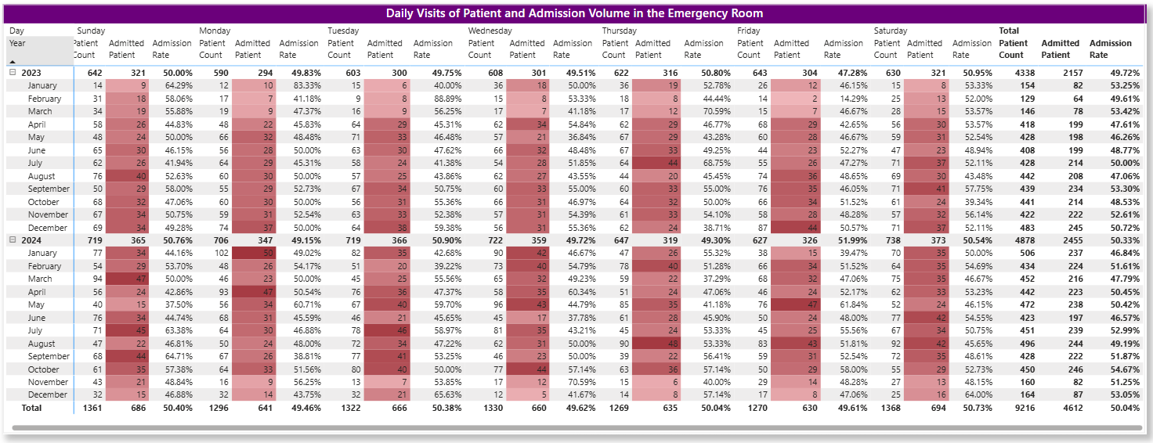

 |  |  |  |  |  | Primary CTP Category | Total Rated Patients | Low Rating Count (Score ≤ 3) | Low Rating Rate (%) | Avg Satisfaction Score
 |  |  |  |  |  | Provider Communication | 526 | 195 | 37.07% | 4.90 / 10
 |  |  |  |  |  | Billing & Administration | 514 | 190 | 36.96% | 4.90 / 10
 |  |  |  |  |  | Wait Time & Flow | 490 | 178 | 36.33% | 5.02 / 10
 |  |  |  |  |  | Staff Attitude & Empathy | 499 | 175 | 35.07% | 4.97 / 10
 |  |  |  |  |  | Clinical Care & Comfort | 488 | 162 | 33.20% | 5.17 / 10

 |  |  |  |  |  | Secondary Critical Driver | Total Rated | Low Rating Count (Score ≤ 3) | Low Rating % | Avg Score | Primary Cause
 |  |  |  |  |  | Active Listening | 123 | 52 | 42.30% | 4.44 / 10 | Staff communication & empathy gap
 |  |  |  |  |  | Front Desk / Registration | 171 | 67 | 39.20% | 4.71 / 10 | Intake friction & initial greeting
 |  |  |  |  |  | Pain Management | 121 | 47 | 38.80% | 4.93 / 10 | Delayed medication / clinical comfort
 |  |  |  |  |  | Explanation of Care | 135 | 52 | 38.50% | 4.84 / 10 | Poor provider-patient communication
 |  |  |  |  |  | Lack of Queue Updates | 121 | 46 | 38.00% | 4.88 / 10 | Unmanaged patient wait expectations
 |  |  |  |  |  | Physician / Bed Delay | 129 | 49 | 38.00% | 5.08 / 10 | Internal transfer & bed assignment delay

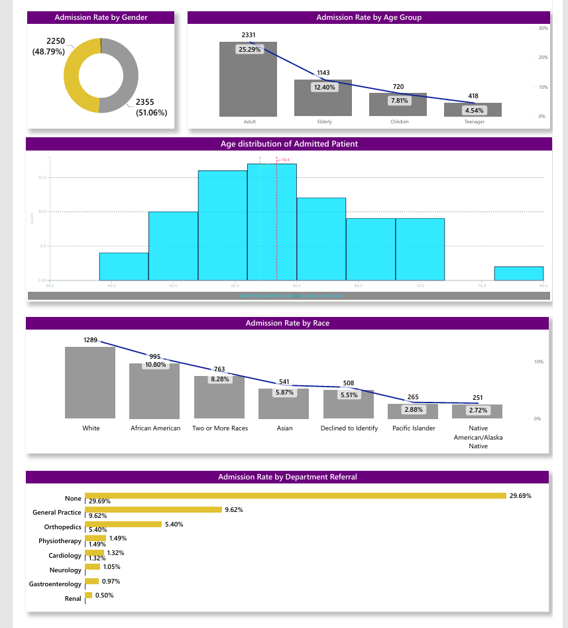

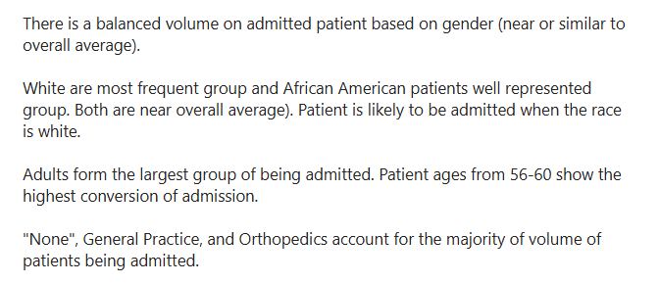

 |  |  |  | 0

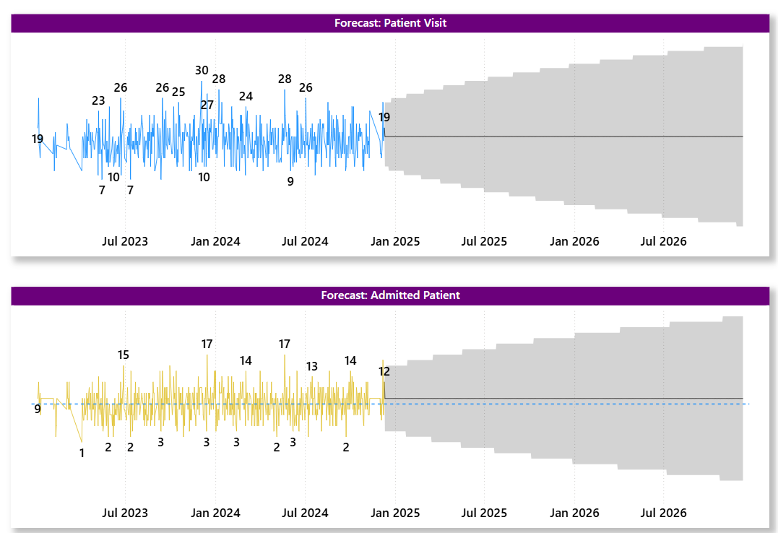

Forecast | Year | Patient Visits | % | Admitted Patients | % 2
 | 2025 | 5,418 | 11.07% Increase | 2,753 | 12.13% Increase
 | 2026 | 5,958 | 10.33 % | 3,051 | 10.82% Increase

